REST API - Simple System
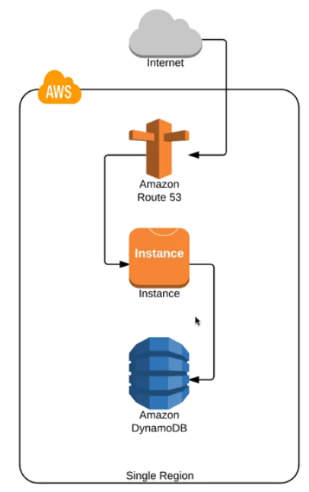

Rest API - Autoscaling
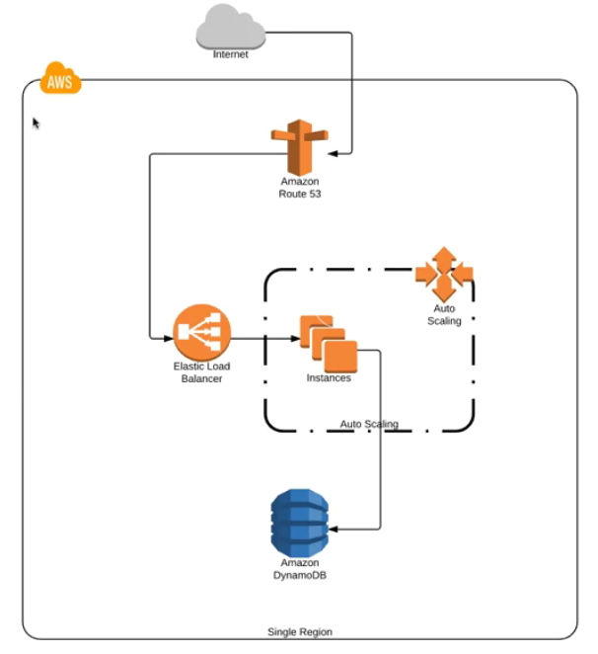

REST API - Active Passive
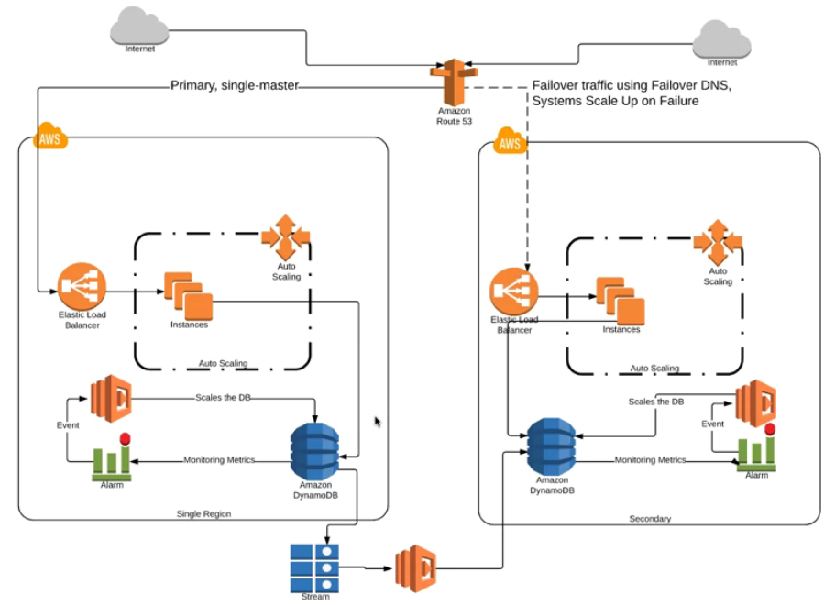

REST API - Active Active
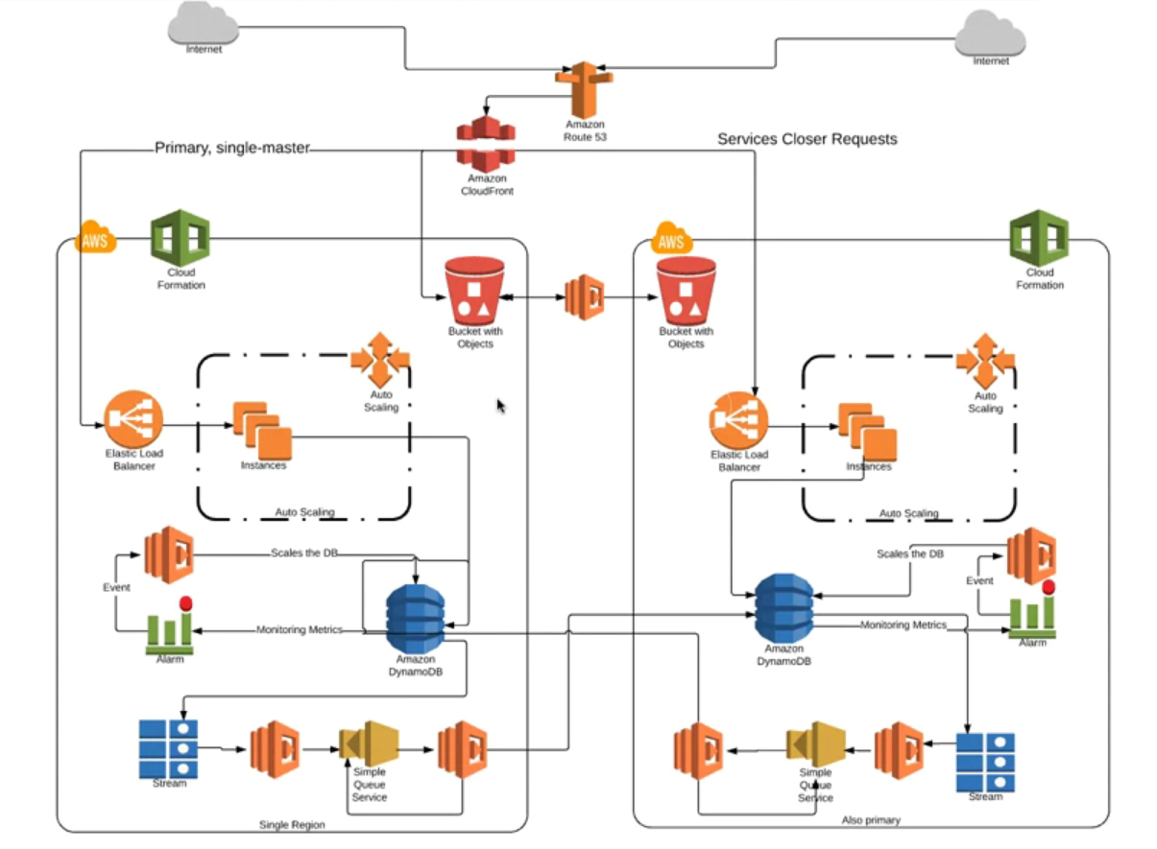

Cost Comparison
Architecture | Hour/Year Down | $/Hour Downtime | $$$/Year
Simple | 105.65 | 5707.76 | 603024.47
Auto Scaling | 45.43 | 5707.76 | 259298.13
Active-Passive | 24.25 | 5707.76 | 138433.61
Active-Active | 1.10 | 5707.76 | 6302.82

Cost Comparison

